工作表3
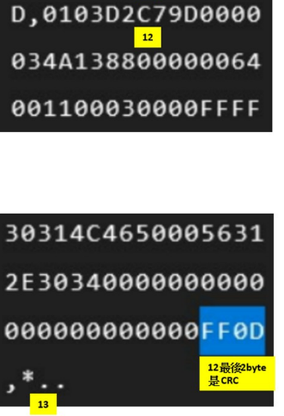
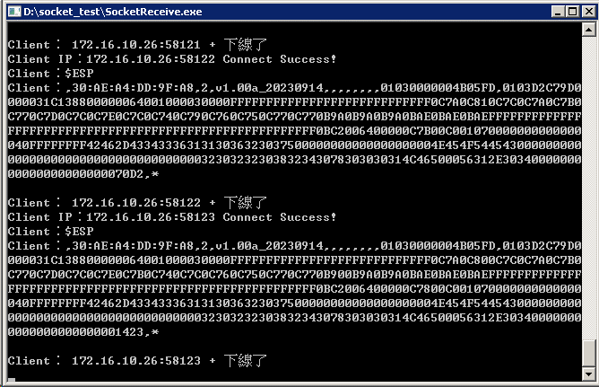
 |  |  |  |  |  |  |  | 01 | 地址 | 03 | 功能碼
暫存器HEX | NAME | 資料型態 | Access | Offset | 倍率 | ByteCount |  | D2 | 資料總長度(byte) |  |  | 210
0000 | Voltage | unsigned | R | 0 | 1 | 2 |  | C79D |  |  |  | 51,101
0001 | Current | signed | R | 0 | 1 | 2 |  | 0000 |  |  |  | -
0002 | RemainingCapacity | unsigned | R | 0 | 1 | 2 |  | 034A |  |  |  | 842
0003 | FullChargeCapacity | unsigned | R | 0 | 1 | 2 |  | 1388 |  |  |  | 5,000
0004 | CycleCount | unsigned | R | 0 | 1 | 2 |  | 0000 |  |  |  | -
0005 | StateOfHealth | unsigned | R | 0 | 1 | 2 |  | 0064 |  |  |  | 100
0006 | RelativeStateOfCharge | unsigned | R | 0 | 1 | 2 |  | 0011 |  |  |  | 17
0007 | BMSOperationStaus | unsigned | R | 0 | 1 | 2 |  | 0003 |  |  |  | 3
0008 | BMSSafetyStaus | unsigned | R | 0 | 1 | 2 |  | 0000 |  |  |  | -
0009 | reserve | unsigned | R | 0 | 1 | 2 |  | ffff |  |  |  | 65,535
000A | reserve | unsigned | R | 0 | 1 | 2 |  | ffff |  |  |  | 65,535
000B | reserve | unsigned | R | 0 | 1 | 2 |  | ffff |  |  |  | 65,535
000C | reserve | unsigned | R | 0 | 1 | 2 |  | ffff |  |  |  | 65,535
000D | reserve | unsigned | R | 0 | 1 | 2 |  | ffff |  |  |  | 65,535
000E | reserve | unsigned | R | 0 | 1 | 2 |  | ffff |  |  |  | 65,535
000F | reserve | unsigned | R | 0 | 1 | 2 |  | ffff |  |  |  | 65,535
0010 | CellVoltage1 | unsigned | R | 0 | 1 | 2 |  | 0c80 |  |  |  | 3,200
0011 | CellVoltage2 | unsigned | R | 0 | 1 | 2 |  | 0c7c |  |  |  | 3,196
0012 | CellVoltage3 | unsigned | R | 0 | 1 | 2 |  | 0c7a |  |  |  | 3,194
0013 | CellVoltage4 | unsigned | R | 0 | 1 | 2 |  | 0c7b |  |  |  | 3,195
0014 | CellVoltage5 | unsigned | R | 0 | 1 | 2 |  | 0c77 |  |  |  | 3,191
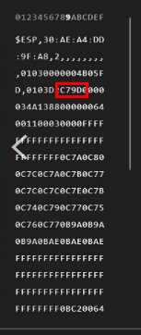
0015 | CellVoltage6 | unsigned | R | 0 | 1 | 2 |  | 0c7c |  |  |  | 3,196
0016 | CellVoltage7 | unsigned | R | 0 | 1 | 2 |  | 0c7c |  |  |  | 3,196
0017 | CellVoltage8 | unsigned | R | 0 | 1 | 2 |  | 0c7e |  |  |  | 3,198
0018 | CellVoltage9 | unsigned | R | 0 | 1 | 2 |  | 0c7b |  |  |  | 3,195
0019 | CellVoltage10 | unsigned | R | 0 | 1 | 2 |  | 0c74 |  |  |  | 3,188
001A | CellVoltage11 | unsigned | R | 0 | 1 | 2 |  | 0c79 |  |  |  | 3,193
001B | CellVoltage12 | unsigned | R | 0 | 1 | 2 |  | 0c77 |  |  |  | 3,191
001C | CellVoltage13 | unsigned | R | 0 | 1 | 2 |  | 0c75 |  |  |  | 3,189
001D | CellVoltage14 | unsigned | R | 0 | 1 | 2 |  | 0c76 |  |  |  | 3,190
001E | CellVoltage15 | unsigned | R | 0 | 1 | 2 |  | 0c77 |  |  |  | 3,191
001F | CellVoltage16 | unsigned | R | 0 | 1 | 2 |  | 0b9a |  |  |  | 2,970
0020 | Temperature1 | signed | R | -273 | 0.1 | 2 |  | 0b9a |  |  |  | 2,970
0021 | Temperature2 | signed | R | -273 | 0.1 | 2 |  | 0b9a |  |  |  | 2,970
0022 | Temperature3 | signed | R | -273 | 0.1 | 2 |  | 0bae |  |  |  | 2,990
0023 | Temperature4 | signed | R | -273 | 0.1 | 2 |  | 0bae |  |  |  | 2,990
0024 | Temperature5 | signed | R | -273 | 0.1 | 2 |  | 0bae |  |  |  | 2,990
0025 | Temperature6 | signed | R | -273 | 0.1 | 2 |  | ffff |  |  |  | 65,535
0026 | Temperature |  |  |  |  | 2 |  | ffff |  |  |  | 65,535
0027 | Temperature |  |  |  |  | 2 |  | ffff |  |  |  | 65,535
0028 | Temperature |  |  |  |  | 2 |  | ffff |  |  |  | 65,535
0029 | Temperature |  |  |  |  | 2 |  | ffff |  |  |  | 65,535
002A | Temperature |  |  |  |  | 2 |  | ffff |  |  |  | 65,535
002B | Temperature |  |  |  |  | 2 |  | ffff |  |  |  | 65,535
002C | Temperature |  |  |  |  | 2 |  | ffff |  |  |  | 65,535
002D | Temperature |  |  |  |  | 2 |  | ffff |  |  |  | 65,535
002E | Temperature |  |  |  |  | 2 |  | ffff |  |  |  | 65,535
002F | Temperature |  |  |  |  | 2 |  | ffff |  |  |  | 65,535
0030 | Temperature |  |  |  |  | 2 |  | ffff |  |  |  | 65,535
0031 | Temperature |  |  |  |  | 2 |  | ffff |  |  |  | 65,535
0032 | Temperature |  |  |  |  | 2 |  | ffff |  |  |  | 65,535
0033 | Temperature |  |  |  |  | 2
0034 | Temperature21 | signed | R | -273 | 0.1 | 2
0035 | MaxError | unsigned | R | 0 | 1 | 2
0036 | PendingEDV | unsigned | R | 0 | 1 | 2
0037 | ExtAveCellVoltage | unsigned | R | 0 | 1 | 2
0038 | BatteryStatus | unsigned | R | 0 | 1 | 2
0039 | OperationStatus0 | unsigned | R | 0 | 1 | 2
003A | OperationStatus1 | unsigned | R | 0 | 1 | 2
003B | SafetyStatus0 | unsigned | R | 0 | 1 | 2
003C | SafetyStatus1 | unsigned | R | 0 | 1 | 2
003D | GaugingStatus | unsigned | R | 0 | 1 | 2
003E
003F
0040 | Serial Number_1 | HexToChar | R |  |  | 8
0041 | Serial Number_2 | HexToChar | R |  |  | 8 |  | 3031
0042 | Serial Number_3 | HexToChar | R |  |  | 8 |  | 4c46
0043 | Manufacturer Name1 | HexToChar | R |  |  | 8 |  | 5000
0044 | Manufacturer Name2 | HexToChar | R |  |  | 8 |  | 5631
0045 | Manufacturer Name3 | HexToChar | R |  |  | 8 |  | 2e30
0046 | Manufacture Date | HexToChar | R |  |  | 8 |  | 3400
0047 | Serial Number | HexToChar | R |  |  | 6 |  | 0000
0048 | Device Chemistry1 | HexToChar | R |  |  | 4 |  | 0000
0049 | BMS_FW_VER 1 | HexToChar | R |  |  | 8 |  | 0000
004A | BMS_FW_VER 2 | HexToChar | R |  |  | 8 |  | 0000
004B | BMS_FW_DATE | HexToChar | R |  |  | 8 |  | 0000

 |  |  |  |  |  | 214 | 76行

工作表4
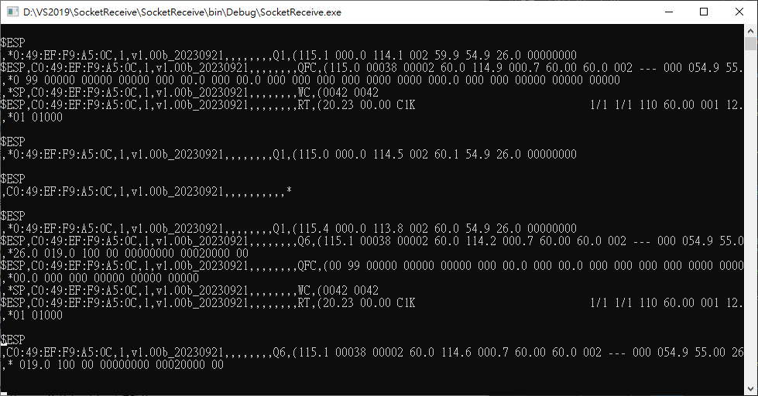

(115.1 00038 00002 60.0 114.6 000.7 60.00 60.0 002 --- 000 054.9 55.00 26.0 019.0 100 00 00000000 00020000 00

